Sheet1
 |  | ZEESHAN ENGINEERING WORKS We deals in all kind of shoe machinery.

 |  |  | Ph# 923004827226 | ph# 923087860012

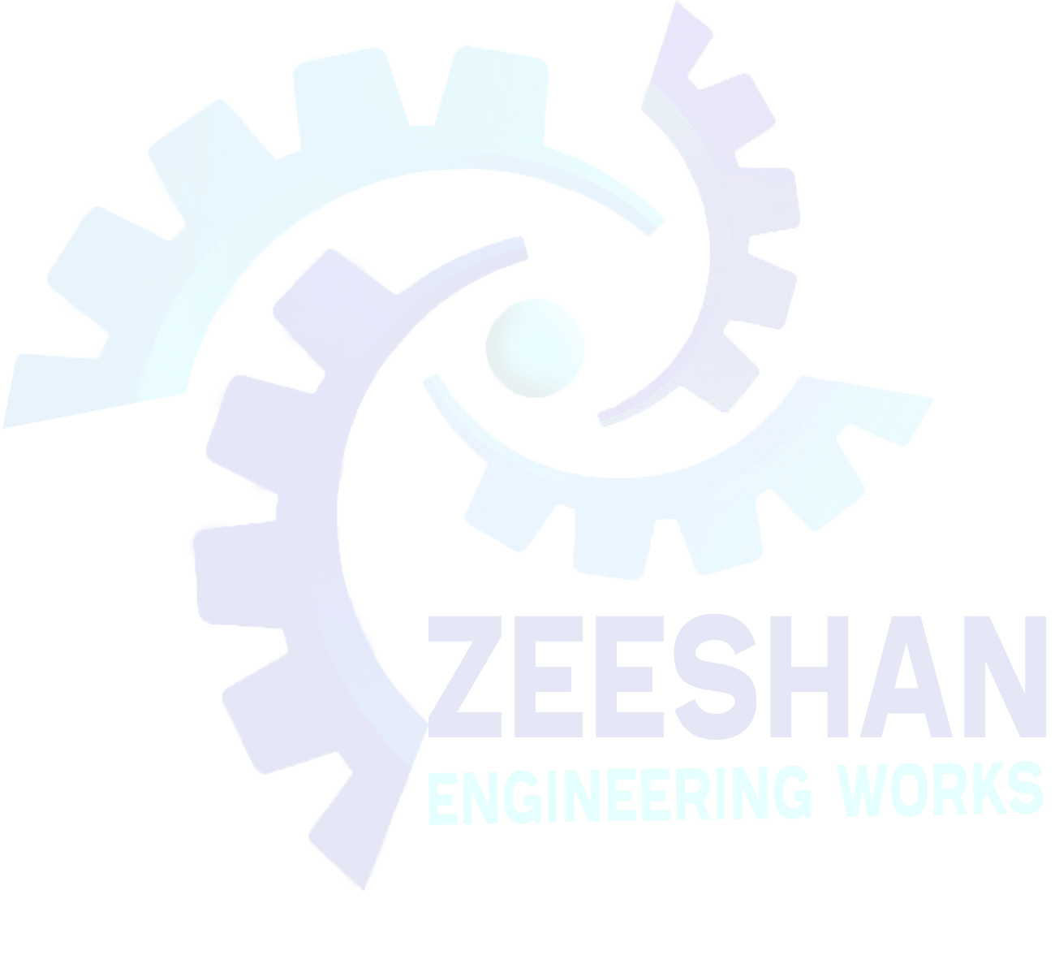
CUSTOMER: |  |  |  |  | Date: | 2022-02-04
CUSTOMER ID: |  |  |  |  | BILL#
 |  |  |  |  | STATUS:

Item# |  |  |  |  | QTY | PRICE | TOTAL

 | GRAND TOTAL

Near Alsaeed Chowk, Varat, Shahdara, Lahore.
Email: zew4827226@gmail.com
FB Page: www.facebook.com/zew226

